Sheet1
Image | Item Code | Item Description | UPC | Unit | Qty | Case Pack | MSRP | Extended Retail | Case Weight | #of Cartons | Cases / Pallet | #Skids | Skid Weight | Tot Weight
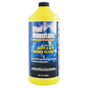 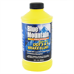 | AU-BMSOBG | Blue Mountain DOT 3 & 4 Brake Fluid (32 oz) | 074804031942 | EACH | 1256 | 12 | $19.99 | $25,000.00 | 30.0 | 104.7 | 60 | 1.74 | 1,800 | 3,140
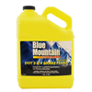 | AU-BMSOBH | Blue Mountain DOT 3 & 4 Brake Fluid (1 gallon) | 074804031935 | EACH | 251 | 4 | $39.99 | $10,000.00 | 40.0 | 62.8 | 60 | 1.05 | 2,400 | 2,510
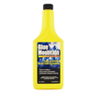 | AU-BMSOCA | Blue Mountain Fuel System / Injector Cleaner (16 oz) | 074804019216 | EACH | 4811 | 12 | $14.99 | $72,000.00 | 12.0 | 400.9 | 110 | 3.64 | 1,320 | 4,811
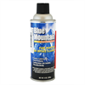 | AU-BMSOCB | Blue Mountain Fuel Injector Air Intake Cleaner (9 oz) | 074804019223 | EACH | 1208 | 12 | $9.99 | $12,000.00 | 9.0 | 100.7 | 108 | 0.93 | 972 | 906
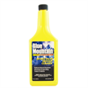 | AU-BMSOCC | Blue Mountain Intake Valve Deposit Cleaner (16 oz) | 74804019230 | EACH | 8086 | 12 | $14.99 | $121,000.00 | 14.0 | 673.8 | 110 | 6.13 | 1,540 | 9,434
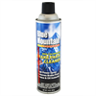 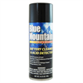 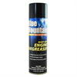 | AU-BMSOCV | Blue Mountain Engine Degreaser (17 oz) | 074804019988 | EACH | 2880 | 12 | $19.99 | $57,811.00 | 18.0 | 240.0 | 108 | 2.22 | 1,944 | 4,320
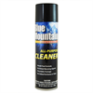 | AU-BMSOCW | Blue Mountain All Purpose Cleaner (19 oz) | 074804019971 | EACH | 378 | 12 | $9.99 | $4,015.00 | 18.0 | 31.5 | 90 | 0.35 | 1,620 | 567
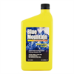 | AU-BMSOFA | Blue Mountain Radiator Flush (32 oz) | 074804019308 | EACH | 4798 | 12 | $19.99 | $95,912.00 | 29.0 | 399.8 | 72 | 5.55 | 2,088 | 11,595
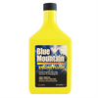 | AU-BMSOFB | Blue Mountain Engine Flush (32 | 074804019315 | EACH | 7344 | 12 | $19.99 | $146,806.00 | 24.0 | 612.0 | 54 | 11.33 | 1,296 | 14,688
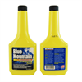 | AU-BMSOFC | Blue Mountain Transmission Flush (10 oz) | 74804019339 | EACH | 10167 | 12 | $14.99 | $152,403.00 | 10.0 | 847.3 | 95 | 8.92 | 950 | 8,473
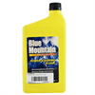 | AU-BMSOFD | Blue Mountain Power Steering Flush (32 oz) | 074804019209 | EACH | 7334 | 12 | $19.99 | $146,680.00 | 26.0 | 611.2 | 72 | 8.49 | 1,872 | 15,890
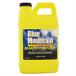 | AU-BMSOFE | Blue Mountain Brake System Flush (64 oz) | 074804020519 | EACH | 1525 | 4 | $39.99 | $61,000.00 | 20.0 | 381.3 | 90 | 4.24 | 1,800 | 7,625
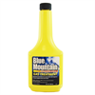 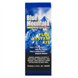 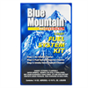 | AU-BMSOKC | Blue Mountain Gas Treatment (12 oz) | 074804039085 | EACH | 1137 | 12 | $7.99 | $9,096.00 | 12.0 | 94.8 | 110 | 0.86 | 1,320 | 1,137
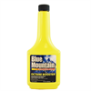 | AU-BMSOKD | Blue Mountain Octane Treatment (12 oz) | 074804039092 | EACH | 1535 | 12 | $9.99 | $15,350.00 | 12.0 | 127.9 | 110 | 1.16 | 1,320 | 1,535
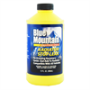 | AU-BMSOMA | Blue Mountain Radiator Stop Leak (12 oz) | 074804019292 | EACH | 1457 | 12 | $7.99 | $11,641.00 | 16.0 | 121.4 | 170 | 0.71 | 2,720 | 1,943
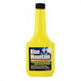 | AU-BMSOMB | Blue Mountain Transmission Sealer And Conditioner (10 oz) | 074804019322 | EACH | 9750 | 12 | $7.99 | $77,710.00 | 8.8 | 812.5 | 95 | 8.55 | 836 | 7,150
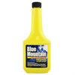 | AU-BMSOMF | Blue Mountain Universal Stop Leak (12 oz) | 074804019377 | EACH | 8811 | 12 | $7.99 | $70,400.00 | 14.0 | 734.3 | 90 | 8.16 | 1,260 | 10,280
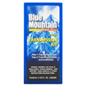 | AU-BMSOMG | Blue Mountain 2pc Transmission Tune Up Kit | 074804031997 | EACH | 990 | 8 | $7.99 | $7,920.00 | 18.0 | 123.8 | 91 | 1.36 | 1,638 | 2,228
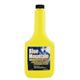 | AU-BMSOPA | Blue Mountain Power Steering Fluid OE Quality (12 oz) | 074804019179 | EACH | 15465 | 12 | $7.99 | $123,720.00 | 10.0 | 1,288.8 | 110 | 11.72 | 1,100 | 12,888
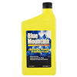 | AU-BMSOPB | Blue Mountain Power Steering Fluid OE Quality (32 oz) | 074804019186 | EACH | 3196 | 12 | $19.99 | $104,860.00 | 26.0 | 266.3 | 60 | 4.44 | 1,560 | 6,925
 |  |  |  |  | 92379 |  |  | $1,325,324.00 |  |  |  | 91.56 |  | 128,042.50

